Introduction

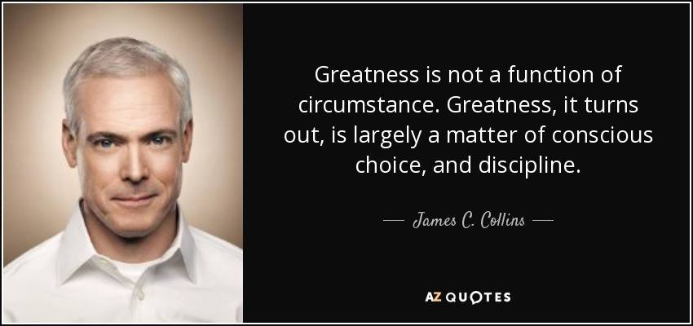
Assignment | Technical Assignment | Suggestion1: Read carefully
Framework | 6-step Introspection | The reflection concept is new to you
 |  | Please read the example carefully
Stages | Celebration, Process Detail, Bottleneck, Course-correction, Extrapolation, Thought Leadership
 |  | Suggestion2: Understand Why
 |  | Understand why each step exists (the six steps)
 |  | If you understand the why, you'd be able to write a good reflection

 |  | Why framework
Why Reflection | Reflection brings out a process of continuous improvement. The six steps stimulate you psychologically and intellectually, to help you do the same task better, the next time | In the absence of knowledge, mind goes into superflous motivation. The motivation is nice but shortlived. Good frameworks give a long term sustainable way of doing things. Reflection using framworks helps in identifying room for improvement

 |  | Reflection Culture
The Heinrich Klassen story | Heinrich Klassen is considered the most improved cricketer today. He went for mere 6.8 crore in the IPL Auction in 2024 which many people thought was too much. Today he is considered the best white ball cricketer. Klassen believes in reflection and his advice to young cricketer was that of self awareness- know who you are, that you are different, so you can focus on your approach for improvement | At DT, all our employees actively reflect. Reflection helps in internalizing ideas, staying emotionally composed and in identifying areas for improvement. When every employee reflects, the ecosystem becomes calmer and people are focussed on the big things, not on petty issues

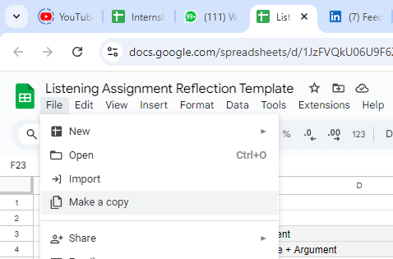
Submission
You may make a copy of this sheet and submit it using the google form given below

Submission Link | https://forms.gle/HNSFuVmK8oftCDx9A

Once you submit your assignment, you'll get the Link to the Observation Lobby Whatsapp group
Please don't click the link, copy it, save it

